Definitions
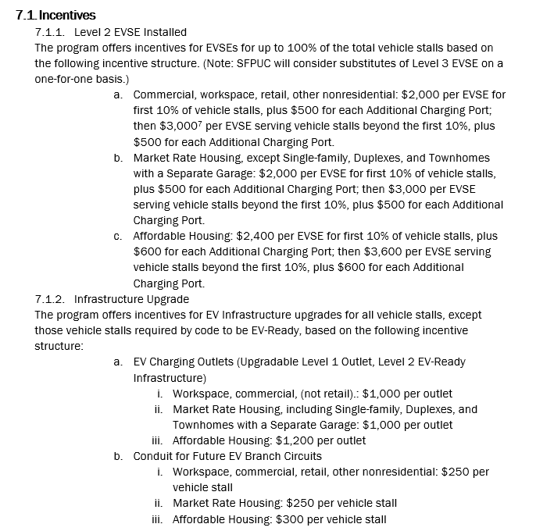
From EV Charge SF Program Handbook

